Malt
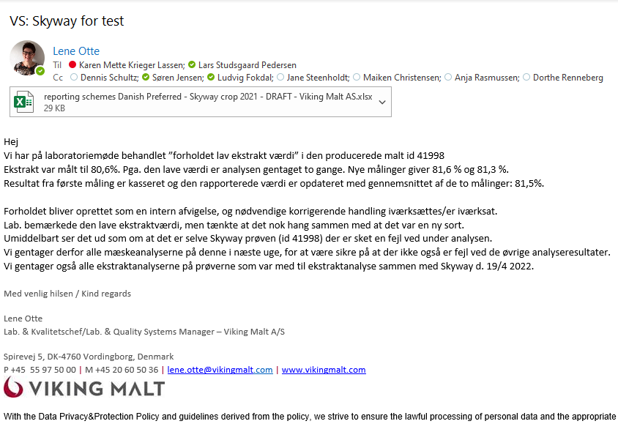
Malt results |  |  | Malt results |  |  | Malt results |  |  | Malt results

General Information | Fill in data |  | General Information | Fill in data |  | General Information | Fill in data |  | General Information | Fill in data
Barley variety | Skyway |  | Barley variety | SKYWAY |  | Barley variety | Skyway |  | Barley variety | Skyway
Crop year | 2021 |  | Crop year | 2020 |  | Crop year | 2021 |  | Crop year | 2021
Barley supplier | Danish Agro |  | Barley supplier | Danish Agro |  | Barley supplier | Danish Agro |  | Barley supplier
Supplier Warehouse / Port | Karise Warehouse |  | Supplier Warehouse / Port | Egtved |  | Supplier Warehouse / Port | Hanne |  | Supplier Warehouse / Port
Delivery date | 1'st April 2022 |  | Delivery date | 02.03.21. |  | Delivery date | 14/15-12-2021 |  | Delivery date
Quantity | 360 tons |  | Quantity | 153 tons |  | Quantity | 400 tons |  | Quantity | 397ton
Malting Company | Viking Malt, Vordingborg |  | Malting Company | Sophus Fuglsang |  | Malting Company | Holland Malt |  | Malting Company | Boortmalt
Malting Plant | Viking Malt, Vordingborg |  | Malting Plant | Thisted |  | Malting Plant | Lieshout |  | Malting Plant | Antwerp
Batch no | 2022-0126 |  | Batch no | 20200040004 |  | Batch no | 133031/133037 |  | Batch no
Production date | 9'th of April 2022 |  | Production date | 14.03.21 |  | Production date | 2022-01-14 |  | Production date

MALT PARAMETERS |  |  | MALT PARAMETERS |  |  | MALT PARAMETERS |  |  | MALT PARAMETERS
Steeping, malting and kilning program as standard |  |  | Steeping and malting program as standard |  |  | Steeping, malting and kilning program as standard |  |  | Steeping, malting and kilning program as standard
No GA and no sulphur dosage |  |  | No GA and no sulphur dosage |  |  | No GA and no sulphur dosage |  |  | No GA and no sulphur dosage
MALT QUALITY - Congress Wort |  |  | MALT QUALITY - Congress Wort |  |  | MALT QUALITY - Congress Wort |  |  | MALT QUALITY - Congress Wort
Parameter | Method | Result | Parameter | Method | Result | Parameter | Method | Result | Parameter | Method | Result
Moisture content (%) | EBC 4.22 | 4.5 | Moisture content (%) | EBC 4.22 | 4.2 | Moisture content (%) | EBC 4.22 | 4.4 | Moisture content (%) | EBC 4.22 | 5
Extract fine (% of dry matter) | EBC 4.5.1 | 81.5 | Extract fine (% of dry matter) | EBC 4.5.1 | 83.9 | Extract fine (% of dry matter) | EBC 4.5.1 | 82.9 | Extract fine (% of dry matter) | EBC 4.5.1 | 82.5
Saccharification time (min) | EBC 4.5.1 | 10 | Saccharification time (min) | EBC 4.5.1 | 10 | Saccharification time (min) | EBC 4.5.1 | 10 | Saccharification time (min) | EBC 4.5.1 | <10
N total (% of dry matter) | EBC 4.3 | 1.79 | N total (% of dry matter) | EBC 4.3 | 1.73 | N total (% of dry matter) | EBC 4.3 | 1.653 | N total (% of dry matter) | EBC 4.3 | 1.696
Protein total (% of dry matter) | EBC 4.3 | 11.2 | Protein total (% of dry matter) | EBC 4.3 | 10.8 | Protein total (% of dry matter) | EBC 4.3 | 10.33 | Protein total (% of dry matter) | EBC 4.3 | 10.6
Soluble N (% of dry matter) | EBC 4.9.1 | 0.63 | Soluble N (% of dry matter) | EBC 4.9.1 | 0.63 | Soluble N (% of dry matter) | EBC 4.9.1 | 0.688 | Soluble N (% of dry matter) | EBC 4.9.1 | 0.56
Kolbach Index (-) | EBC 4.9.1 | 35 | Kolbach Index (-) | EBC 4.9.1 | 36 | Kolbach Index (-) | EBC 4.9.1 | 41.7 | Kolbach Index (-) | EBC 4.9.1 | 33
Wort colour (EBC) | EBC 4.7.2 | 3.0 | Wort colour (EBC) | EBC 4.7.2 | 3.5 | Wort colour (EBC) | EBC 4.7.2 | 3.3 | Wort colour (EBC) | EBC 4.7.2 | 2.9
Diastatic power, dry (WK) | EBC 4.12 | 277 | Diastatic power, dry (WK) | EBC 4.12 | 295 | Diastatic power, dry (WK) | EBC 4.12 | 286 | Diastatic power, dry (WK) | EBC 4.12 | 245
ß-glucan in wort (mg/l) | EBC 8.13.2 | 159 | ß-glucan in wort (mg/l) | EBC 8.13.2 | 206 | ß-glucan in wort (mg/l) | EBC 8.13.2 | 132 | ß-glucan in wort (mg/l) | EBC 8.13.2 | 269
Friability (%) | EBC 4.15 | 90.9 | Friability (%) | EBC 4.15 | 94 | Friability (%) | EBC 4.15 | 95.2 | Friability (%) | EBC 4.15 | 84
Glassy Grains (%) | EBC 4.15 | 0.6 | Glassy Grains (%) | EBC 4.15 | 0.8 | Glassy Grains (%) | EBC 4.15 | 1.7 | Glassy Grains (%) | EBC 4.15 | 2.5
Partly unmodified grains (PUG) (%) | EBC 4.15 | 2.0 | Partly unmodified grains (PUG) (%) | EBC 4.15 | 2.2 | Partly unmodified grains (PUG) (%) | EBC 4.15 | 2.1 | Partly unmodified grains (PUG) (%) | EBC 4.15 | 6
Gushing (g/blt) | Carlsberg Method | 0 | Gushing (g/blt) | Carlsberg Method | 0 | Gushing (g/blt) | Carlsberg Method | 0 | Gushing (g/blt) | Carlsberg Method | 0
Viscosity (cP) | EBC 4.8 | 1.49 | Viscosity (cP) | EBC 4.8 | 1.51 | Viscosity (cP) | EBC 4.8 | 1.48 | Viscosity (cP) | EBC 4.8 | 1.5
pH of wort (-) | EBC 8.17 | 6.25 | pH of wort (-) | EBC 8.17 |  | pH of wort (-) | EBC 8.17 | 6.1 | pH of wort (-) | EBC 8.17 | 6
Haze of wort (EBC) | EBC 4.5.1 | 8.2 | Haze of wort (EBC) | EBC 4.5.1 | 25°/90°: 3,51/4,79 | Haze of wort (EBC) | EBC 4.5.1 | 4.8 | Haze of wort (EBC) | EBC 4.5.1 | 9.2
Screenings >2.8 mm (%) | EBC 4.22 | 92.4 | Screenings >2.8 mm (%) | EBC 4.22 | 96.9 | Screenings >2.8 mm (%) | EBC 4.22 |  | Screenings >2.8 mm (%) | EBC 4.22
Screenings 2.8-2.5 mm (%) | EBC 4.22 | 5.6 | Screenings 2.8-2.5 mm (%) | EBC 4.22 | 2.4 | Screenings 2.8-2.5 mm (%) | EBC 4.22 |  | Screenings 2.8-2.5 mm (%) | EBC 4.22
Screenings 2.5-2.2 mm (%) | EBC 4.22 | 1.7 | Screenings 2.5-2.2 mm (%) | EBC 4.22 | 0.5 | Screenings 2.5-2.2 mm (%) | EBC 4.22 |  | Screenings 2.5-2.2 mm (%) | EBC 4.22
Screenings <2.2 mm (%) | EBC 4.22 | 0.3 | Screenings <2.2 mm (%) | EBC 4.22 | 0.2 | Screenings <2.2 mm (%) | EBC 4.22 |  | Screenings <2.2 mm (%) | EBC 4.22
Wort FAN (mg/l) | EBC 4.10 | 144 | Wort FAN (mg/l) | EBC 4.10 | 182 | Wort FAN (mg/l) | EBC 4.10 | 169 | Wort FAN (mg/l) | EBC 4.10 | 120
Smell of wort (-) | EBC 4.5.1 | normal | Smell of wort (-) | EBC 4.5.1 | normal | Smell of wort (-) | EBC 4.5.1 |  | Smell of wort (-) | EBC 4.5.1 | ok
Speed of filtration (-) | EBC 4.5.1 | 10 | Speed of filtration (-) | EBC 4.5.1 | < 60 min. | Speed of filtration (-) | EBC 4.5.1 | < 30 | Speed of filtration (-) | EBC 4.5.1 | ok
App. Final Attenuation (%) | EBC 4.11.1 | 80.8 | App. Final Attenuation (%) | EBC 4.11.1 | 82.1 | App. Final Attenuation (%) | EBC 4.11.1 | 80.8 | App. Final Attenuation (%) | EBC 4.11.1 | 79.5
Alpha-Amylase Acticity U/g | Megazyme | 235 | Alpha-Amylase Acticity U/g | Megazyme | 145 | Alpha-Amylase Acticity U/g | Megazyme | 174 | Alpha-Amylase Acticity U/g | Megazyme | 140
Beta-Amylase Activity U/g | Megazyme | 17.3 | Beta-Amylase Activity U/g | Megazyme | 16.4 | Beta-Amylase Activity U/g | Megazyme | 13.8 | Beta-Amylase Activity U/g | Megazyme
DMSP (mg/kg) | Recogn. method | 3.6 | DMSP (mg/kg) | Recogn. method | 2.95 | DMSP (mg/kg) | Recogn. method | 2.5 | DMSP (mg/kg) | Recogn. method

Malting preformance |  |  | Malting prefprmance |  |  | Malting preformance |  |  | Malting preformance
Well performing in malting with a standard program |  |  | Please fill in relevant comments: |  |  | Good germination and modification |  |  | the Danish barley on crop2021 is overall a slow starter in germination, as the Skyway was malted against a ex France reference first, the modification was lower then expected, but 100% linked with the origin. The variety benefits from a longer malting cycle, that is needed to achieve an acceptable quality. As Boortmalt we will execute further tests and we keep a neutral point of view at the moment.

